Point 1
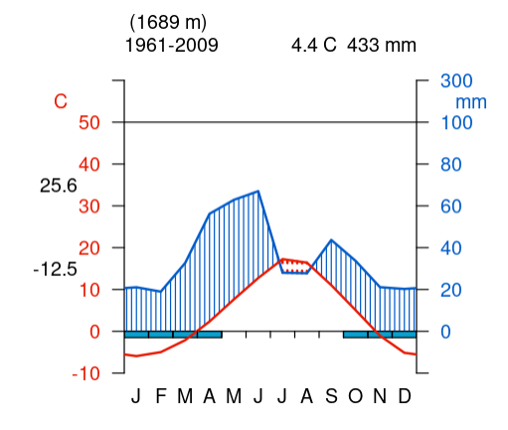
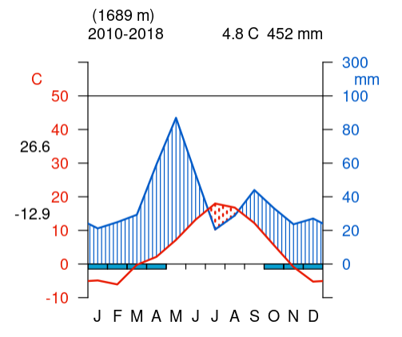
Historic Data (1961-2009) |  | Point 1: Northeastern Wyoming near Sheridan, Temperate Conifer Forest, Central Rockies | Recent Data (2010 - 2018)
Month | Temperature (°C) | Precipitation (mm) | Month | Temperature (°C) | Precipitation (mm)
J | -6 | 20 | J | -5 | 21
F | -5 | 18 | F | -6 | 25
M | -1 | 30 | M | -1 | 35
A | 3 | 60 | A | 3 | 55
M | 7 | 63 | M | 5 | 85
J | 11 | 68 | J | 12 | 55
J | 15 | 27 | J | 17 | 18
A | 14 | 27 | A | 16 | 28
S | 12 | 48 | S | 14 | 43
O | 7 | 36 | O | 9 | 32
N | 0 | 20 | N | 1 | 23
D | -6 | 20 | D | -4 | 27

Point 2
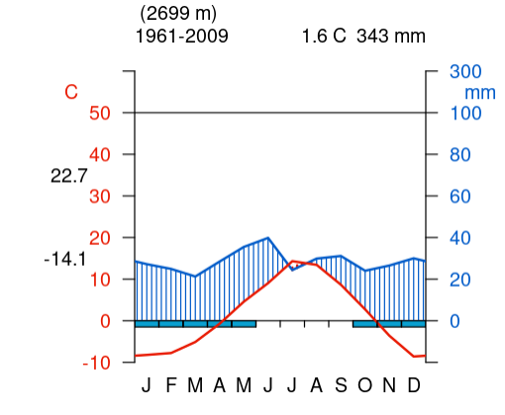
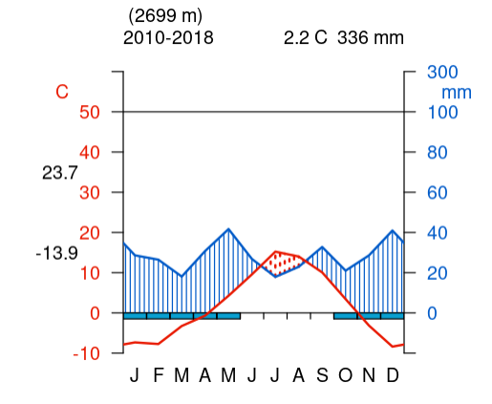
Historic Data (1961-2009) |  | Point 2: Western Wyoming, Montane Conifer Forest, Central Rockies | Recent Data (2010 - 2018)
Month | Temperature (°C) | Precipitation (mm) | Month | Temperature (°C) | Precipitation (mm)
J | -8 | 30 | J | -8 | 30
F | -7 | 27 | F | -9 | 29
M | -5 | 24 | M | -3 | 20
A | -2 | 32 | A | -1 | 32
M | 4 | 37 | M | 3 | 42
J | 8 | 42 | J | 9 | 23
J | 13 | 25 | J | 16 | 18
A | 12 | 29 | A | 15 | 22
S | 9 | 31 | S | 12 | 32
O | 6 | 23 | O | 8 | 21
N | -5 | 29 | N | -2 | 29
D | -9 | 30 | D | -8 | 42

Point 3
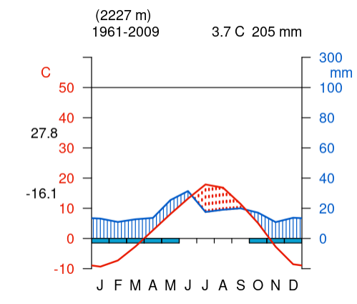
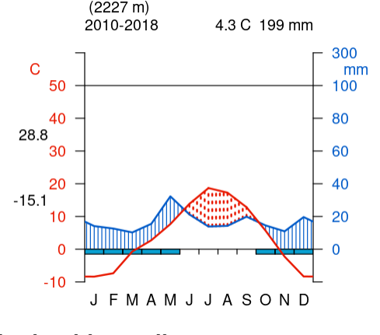
Historic Data (1961-2009) |  | Point 3: Central Wyoming, Sagebrush Steppe, Wyoming Basin | Recent Data (2010 - 2018)
Month | Temperature (°C) | Precipitation (mm) | Month | Temperature (°C) | Precipitation (mm)
J | -10 | 15 | J | -8 | 18
F | -8 | 13 | F | -7 | 17
M | -2 | 14 | M | -1 | 15
A | 3 | 16 | A | 3 | 19
M | 8 | 27 | M | 7 | 33
J | 11 | 32 | J | 13 | 19
J | 17 | 18 | J | 20 | 16
A | 16 | 19 | A | 19 | 16
S | 10 | 20 | S | 14 | 20
O | 5 | 19 | O | 8 | 17
N | -3 | 15 | N | -1 | 14
D | -9 | 16 | D | -8 | 20

Point 4
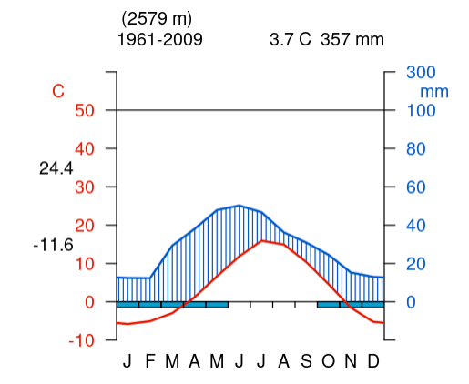
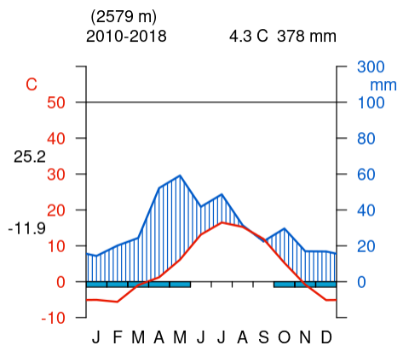
Historic Data (1961-2009) |  | Point 4: South-Central Wyoming, Montane Forest, Southern Rockies | Recent Data (2010 - 2018)
Month | Temperature (°C) | Precipitation (mm) | Month | Temperature (°C) | Precipitation (mm)
J | -6 | 16 | J | -5 | 18
F | -5 | 16 | F | -6 | 22
M | -3 | 30 | M | -1 | 25
A | 1 | 39 | A | 1 | 55
M | 4 | 50 | M | 5 | 59
J | 11 | 53 | J | 12 | 40
J | 15 | 48 | J | 17 | 47
A | 14 | 38 | A | 16 | 28
S | 10 | 31 | S | 11 | 20
O | 5 | 22 | O | 5 | 30
N | -2 | 16 | N | -2 | 18
D | -6 | 15 | D | -5 | 17

Point 5
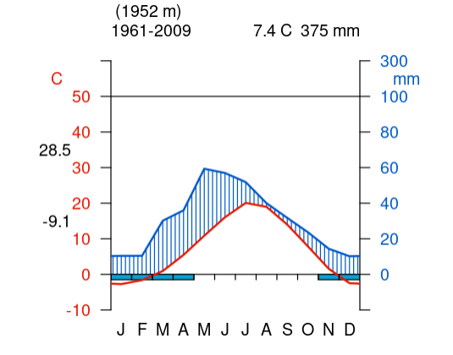
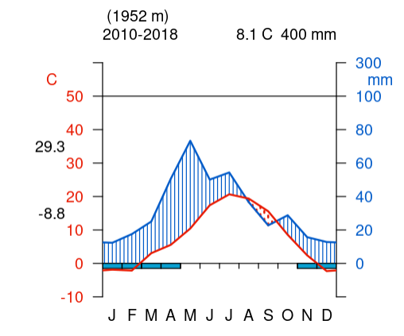
Historic Data (1961-2009) |  | Point 5: Southeastern Wyoming, Mixed grass Prairie, Western High Plains | Recent Data (2010 - 2018)
Month | Temperature (°C) | Precipitation (mm) | Month | Temperature (°C) | Precipitation (mm)
J | -3 | 10 | J | -2 | 12
F | -2 | 10 | F | -2 | 18
M | 0 | 35 | M | 3 | 24
A | 4 | 38 | A | 5 | 50
M | 10 | 60 | M | 8 | 75
J | 16 | 58 | J | 17 | 50
J | 19 | 55 | J | 20 | 55
A | 18 | 42 | A | 19 | 34
S | 13 | 31 | S | 16 | 22
O | 8 | 25 | O | 11 | 30
N | 1 | 15 | N | 3 | 16
D | -3 | 10 | D | -2 | 13

Point 6
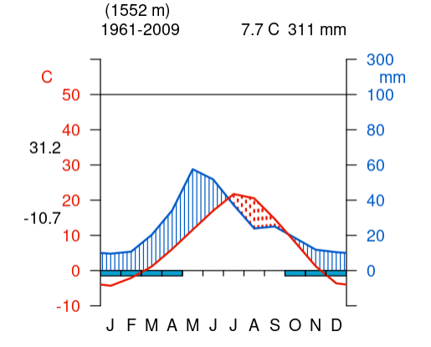
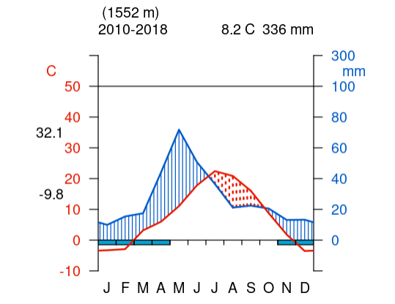
Historic Data (1961-2009) |  | Point 6: North-Central Wyoming, Sagebrush Steppe, Northwestern Great Plains | Recent Data (2010 - 2018)
Month | Temperature (°C) | Precipitation (mm) | Month | Temperature (°C) | Precipitation (mm)
J | -4 | 10 | J | -3 | 9
F | -2 | 11 | F | -2 | 17
M | 1 | 23 | M | 4 | 18
A | 4 | 36 | A | 5 | 38
M | 11 | 59 | M | 11 | 73
J | 16 | 52 | J | 18 | 49
J | 21 | 37 | J | 22 | 40
A | 20 | 22 | A | 21 | 21
S | 13 | 23 | S | 15 | 22
O | 8 | 19 | O | 10 | 21
N | 0 | 12 | N | 2 | 15
D | -3 | 10 | D | -3 | 15

Blank Walter-Lieth Diagrams
Walter and Lieth Diagram
 |  | Secondary
J
F
M
A
M
J
J
A
S
O
N
D
Walter and Lieth Diagram
 |  | Secondary
J
F
M
A
M
J
J
A
S
O
N
D

