Australia Data
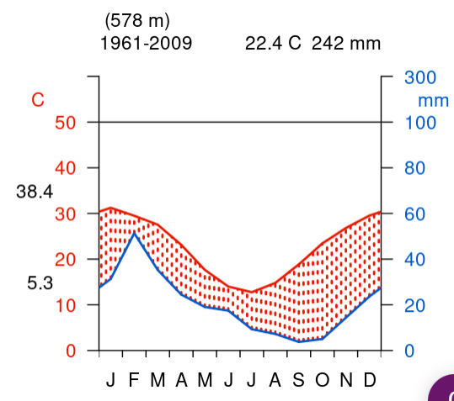
Australia gVeg picture
Month | Temperature (°C) | Month | Precipitation (mm)
J | 32 | J | 30
F | 30 | F | 54
M | 29 | M | 36
A | 26 | A | 23
M | 18 | M | 20
J | 15 | J | 18
J | 13 | J | 9
A | 14 | A | 7
S | 19 | S | 5
O | 25 | O | 6
N | 28 | N | 15
D | 30 | D | 27

Wyoming Data
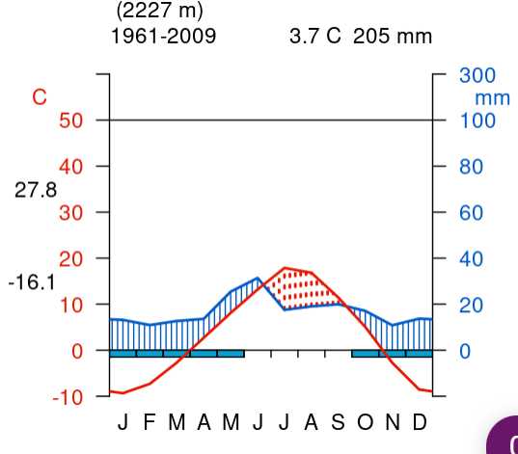
Wyoming gVeg picture
Month | Temperature (°C) | Month | Precipitation (mm)
J | -10 | J | 14
F | -8 | F | 10
M | -3 | M | 15
A | 2 | A | 16
M | 7 | M | 25
J | 10 | J | 31
J | 19 | J | 17
A | 18 | A | 18
S | 13 | S | 19
O | 7 | O | 18
N | -2 | N | 10
D | -9 | D | 14

Desert 1 Data
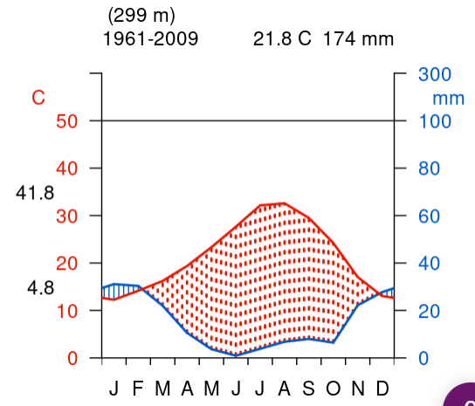
Desert 1
Month | Temperature (°C) | Month | Precipitation (mm)
J | 12 | J | 30
F | 14 | F | 29
M | 16 | M | 22
A | 19 | A | 15
M | 22 | M | 4
J | 27 | J | 1
J | 32 | J | 5
A | 33 | A | 7
S | 30 | S | 8
O | 24 | O | 7
N | 17 | N | 22
D | 13 | D | 28

Desert 2 Data
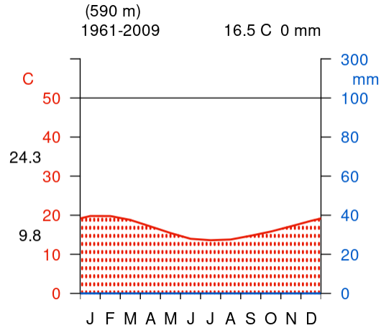
Desert 2
Month | Temperature (°C) | Month | Precipitation (mm)
J | 20 | J | 0
F | 20 | F | 0
M | 19 | M | 0
A | 18 | A | 0
M | 16 | M | 0
J | 14 | J | 0
J | 13 | J | 0
A | 13 | A | 0
S | 14 | S | 0
O | 16 | O | 0
N | 17 | N | 0
D | 19 | D | 0

Temperate Broadleaf Data
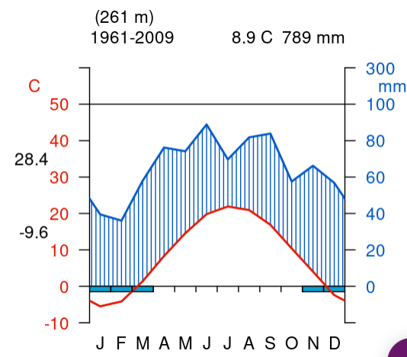
Temperate Broadleaf
Month | Temperature (°C) | Month | Precipitation (mm)
J | -6 | J | 46
F | -4 | F | 40
M | 1 | M | 56
A | 6 | A | 77
M | 12 | M | 73
J | 18 | J | 90
J | 21 | J | 68
A | 20 | A | 80
S | 17 | S | 82
O | 11 | O | 59
N | 4 | N | 58
D | -2 | D | 48

Tropical Broadleaf Data
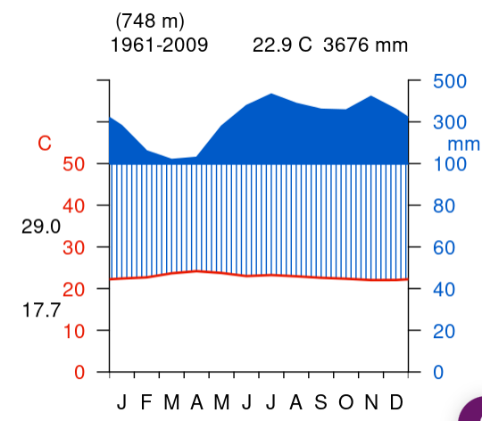
Tropical Broadleaf
Month | Temperature (°C) | Month | Precipitation (mm)
J | 22 | J | 310
F | 22 | F | 150
M | 23 | M | 120
A | 23 | A | 125
M | 23 | M | 290
J | 22 | J | 375
J | 22 | J | 425
A | 22 | A | 350
S | 22 | S | 325
O | 22 | O | 320
N | 22 | N | 420
D | 22 | D | 320

Mangrove Data
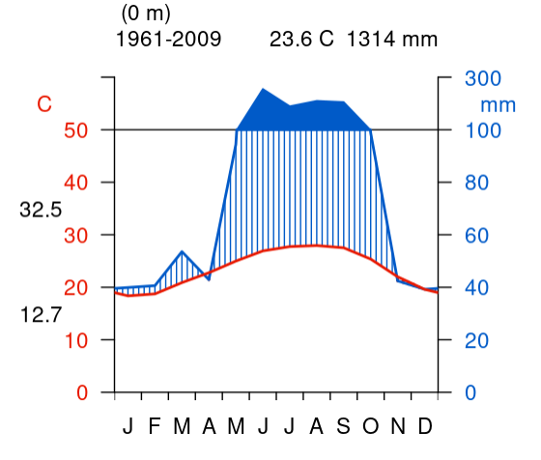
Mangrove
Month | Temperature (°C) | Month | Precipitation (mm)
J | 18 | J | 40
F | 18 | F | 40
M | 20 | M | 55
A | 22 | A | 42
M | 23 | M | 100
J | 25 | J | 250
J | 25 | J | 180
A | 26 | A | 200
S | 26 | S | 200
O | 23 | O | 100
N | 21 | N | 42
D | 19 | D | 40

Blank Temperature Graph
 | Temperature (°C)
J
F
M
A
M
J
J
A
S
O
N
D
Month | Temperature (°C)
J
F
M
A
M
J
J
A
S
O
N
D

Blank Precipitation Graphs
 | Precipitation (mm)
J
F
M
A
M
J
J
A
S
O
N
D
Month | Precipitation (mm)
J
F
M
A
M
J
J
A
S
O
N
D

 | Precipitation (mm)
J
F
M
A
M
J
J
A
S
O
N
D

