Blank Graphs
Walter and Lieth Diagram
 |  | Secondary
J
F
M
A
M
J
J
A
S
O
N
D
Walter and Lieth Diagram
 |  | Secondary
J
F
M
A
M
J
J
A
S
O
N
D

Subalpine gVeg graphs
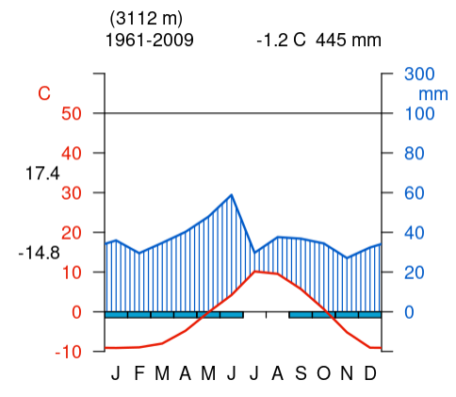
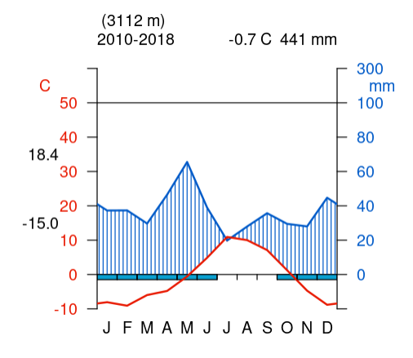
Historic | Recent

Alpine gVeg graphs
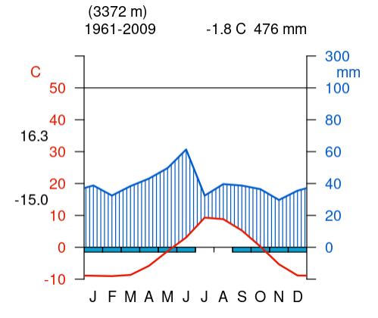
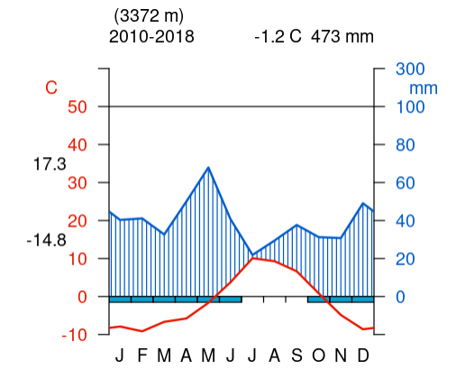
Historic | Recent

